Table 21
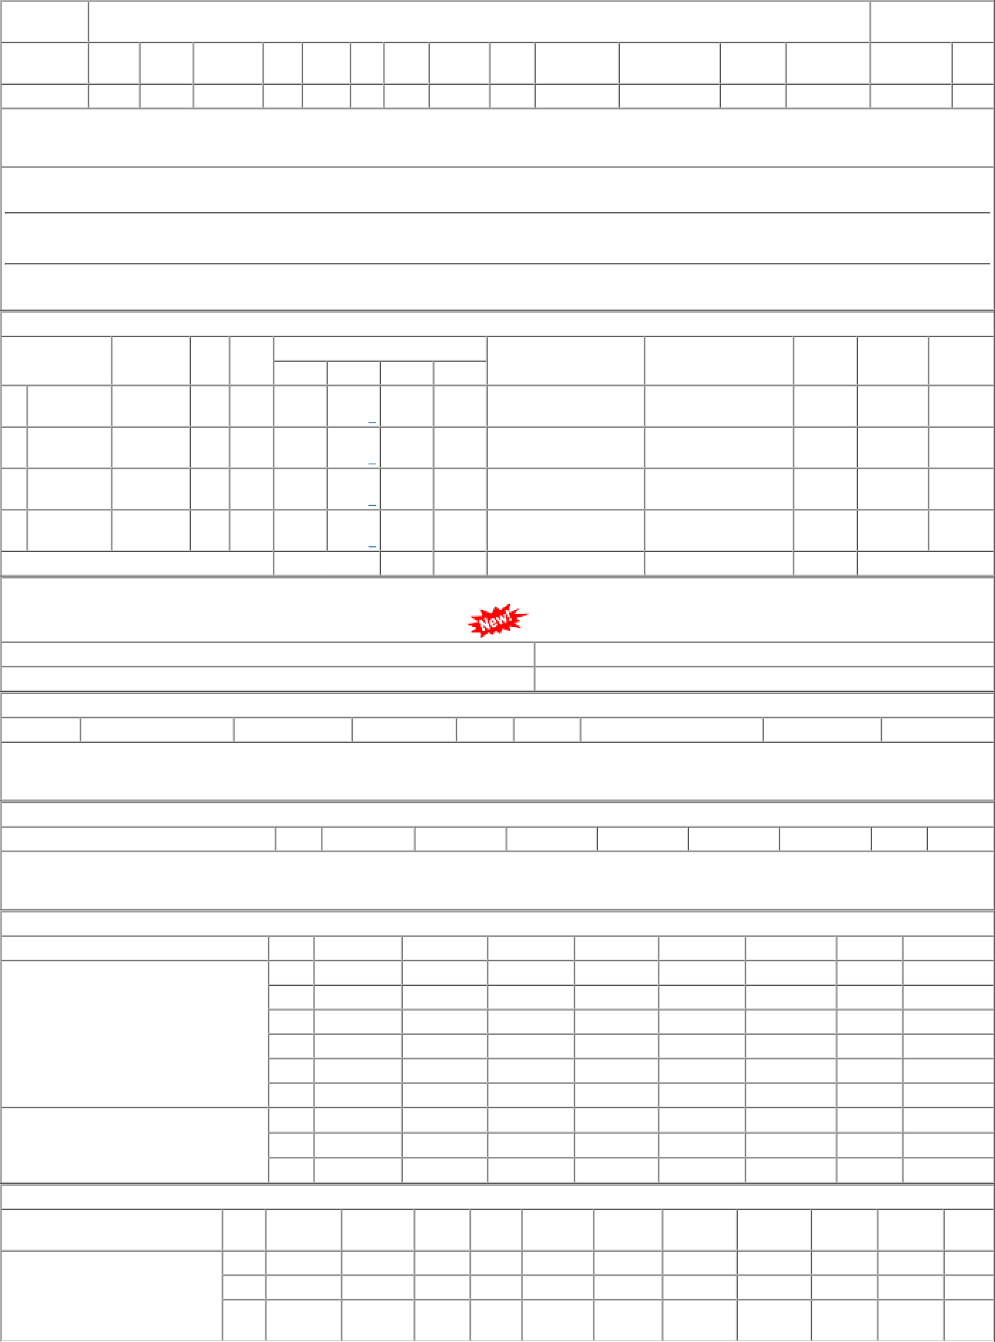
P.O.No.15221240103776 dt.19/07/22 on M/s.MOULDED FIBRE GLASS PRODUCTS- KOLKATA PO-CAT:[ Dev ] | 001 002 003 | PL-CR BVPW PRTN- CW | 68.85 68.85 68.85 | 3110 5377 383 | Nos. 0 0 Nos. 0 0 Nos. 0 0 | 0 30/09/23 0 30/09/23 0 30/09/23 | 01/04/23 30/09/23 OP 01/04/23 30/09/23 OP 01/04/23 30/09/23 OP

